MMU8
MMU Ordering Information

Note: MMUs should be ordered as shown in the example on the right, with meters and blanks directly following the MMU part, so that the factory knows exactly what is needed in each MMU panel Note: MMU units are available for E10, E20, and E32 meters and EIDRs. Note: Please specify the meter configuration in the MMU using the layouts below, and fax this in with the order. When ordering meters less than the capacity of the MMU, please fill up the difference with the ‘MMU-BLANK’ spaces. For example, if you buy 6 meters for MMU-8, you need 2 MMU-Blank spaces ( 8-6=2). |  |  | MMU (Multi Meter Unit) Parts
 |  |  | Part number | Description
 |  |  | MMU-8 | MMU-8 CABINET/ENCLOSURE for 8 meters
 |  |  | MMU-16 | MMU-16 CABINET/ENCLOSURE for 16 meters
 |  |  | MMU-24 | MMU-24 CABINET/ENCLOSURE for 24 meters
 |  |  | MMU-BLANK | MULTIPLE METER UNIT BLANK SPACE

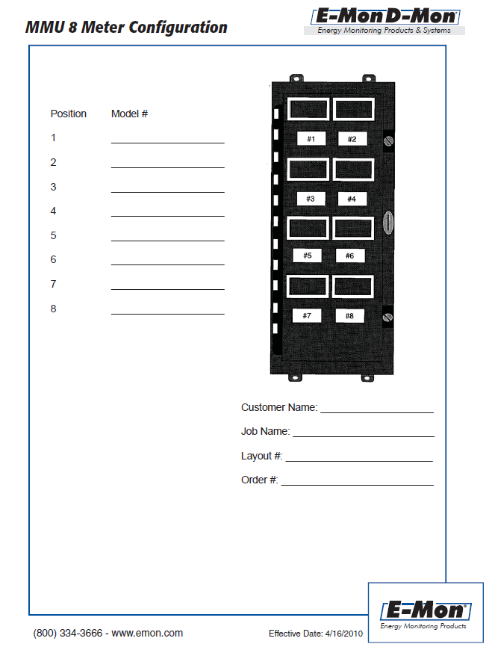
MMU-8 Meter Configuration

Position | Meter Configuration | Tag (11 character max)
1
2
3
4
5
6
7
8
Customer Name

Job Name

Layout Number

Order Number

MMU-16 Meter Configuration

Position | Meter Configuration | Tag (11 character max)
1
2
3
4
5
6
7
8
9
10
11
12
13
14
15
16
Customer Name

Job Name

Layout Number

Order Number

MMU16
MMU-16 Meter Configuration
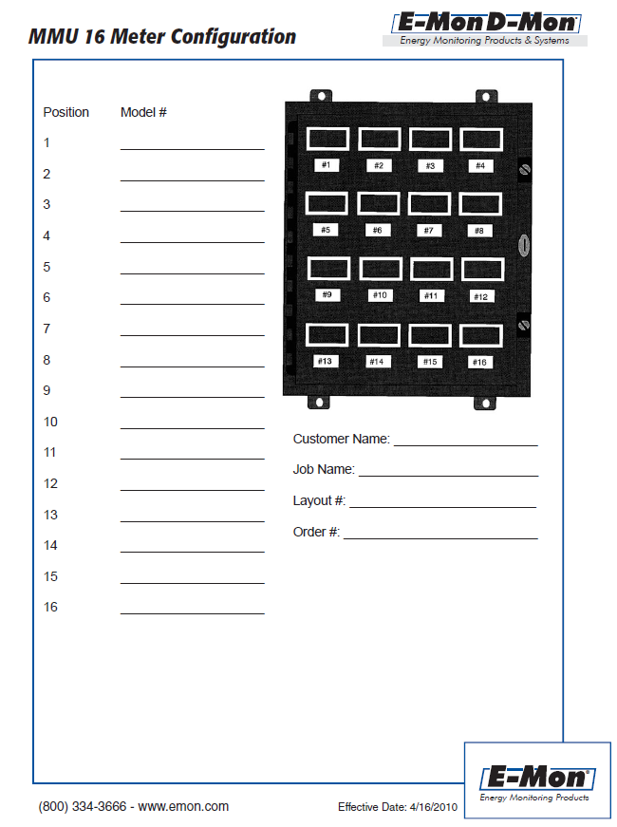
Position | Meter Configuration | Tag (11 character max)
1
2
3
4
5
6
7
8
9
10
11
12
13
14
15
16
Customer Name

Job Name

Layout Number

Order Number

MMU24
MMU-24 Meter Configuration
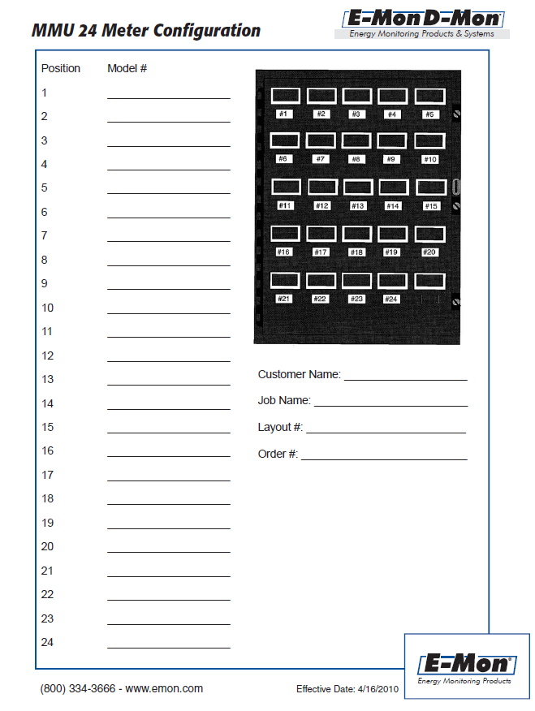
Position | Meter Configuration | Tag (11 character max)
1
2
3
4
5
6
7
8
9
10
11
12
13
14
15
16
Customer Name

Job Name

Layout Number

Order Number

